Sheet1


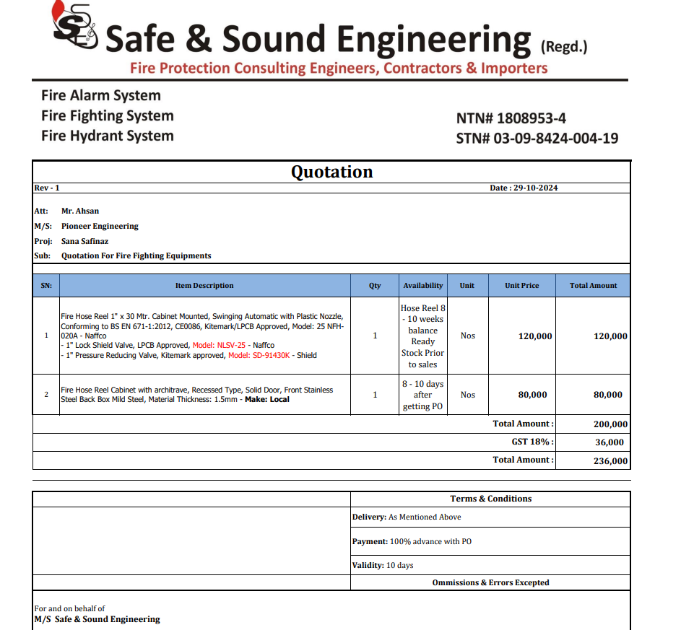

M/S IK Associates |  |  |  |  |  |  |  | 2024-10-29

Project: Sana Safinaz Dolmen Mall Lahore

Attn: Mr. Taha Ghaznavi

Variation # 1
Supply & installation of Fire Hose Cabinet and Fire reel.

S. # | Description | Material Rate | Labour Rate | Over Head profit 28% | Total Rate | Unit | Qty | Amount
1 | Supply of Fire Hose Reel 1" x 30 Mtr. Cabinet Mounted, Swinging Automatic with Plastic Nozzle, Conforming to BS EN 671-1:2012, CE0086, Kitemark/LPCB Approved, Model: 25 NFH 020A - Naffco 1" Lock Shield Valve, LPCB Approved, Model: NLSV-25 - Naffco 1" Pressure Reducing Valve, Kitemark approved, Model: SD-91430K - Shield | 141,600 | 25,000 | 46,648 | 213,248 | No | 1 | 213,248
2 | Fire Hose Reel Cabinet with architrave, Recessed Type, Solid Door, Front Stainless Steel Back Box Mild Steel, Material Thickness: 1.5mm - Make: Local | 94,400 | 25,000 | 33,432 | 152,832 | No | 1 | 152,832
Total Amount Rs. |  |  |  |  |  |  |  | 366,080

Note: Vendor quotation attached |  |  |  |  |  |  |  |  | 120000 | 141,600
 |  |  |  |  |  |  |  |  | 80000 | 94,400
Thanking you, |  |  |  |  |  |  |  |  |  | 236,000

For PIONEER ENGINEERING SERVICES.

Bilal Habib

